Set-Up
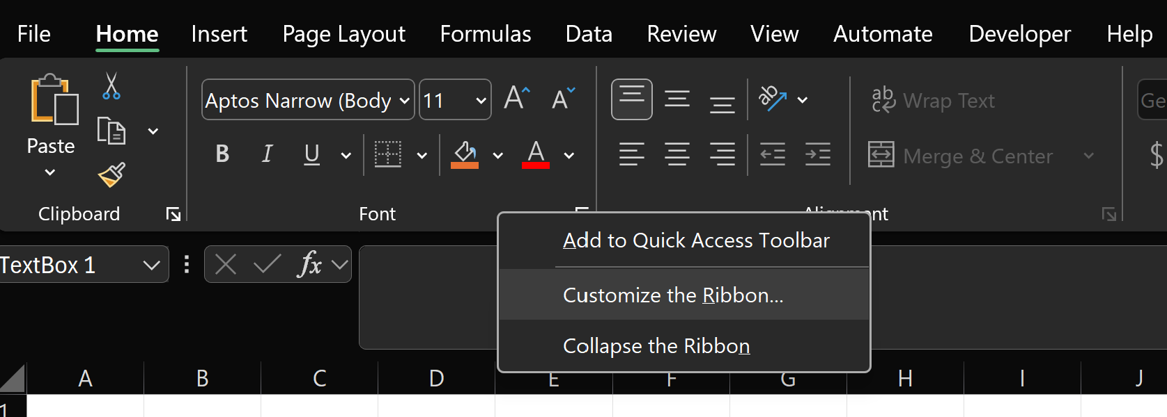
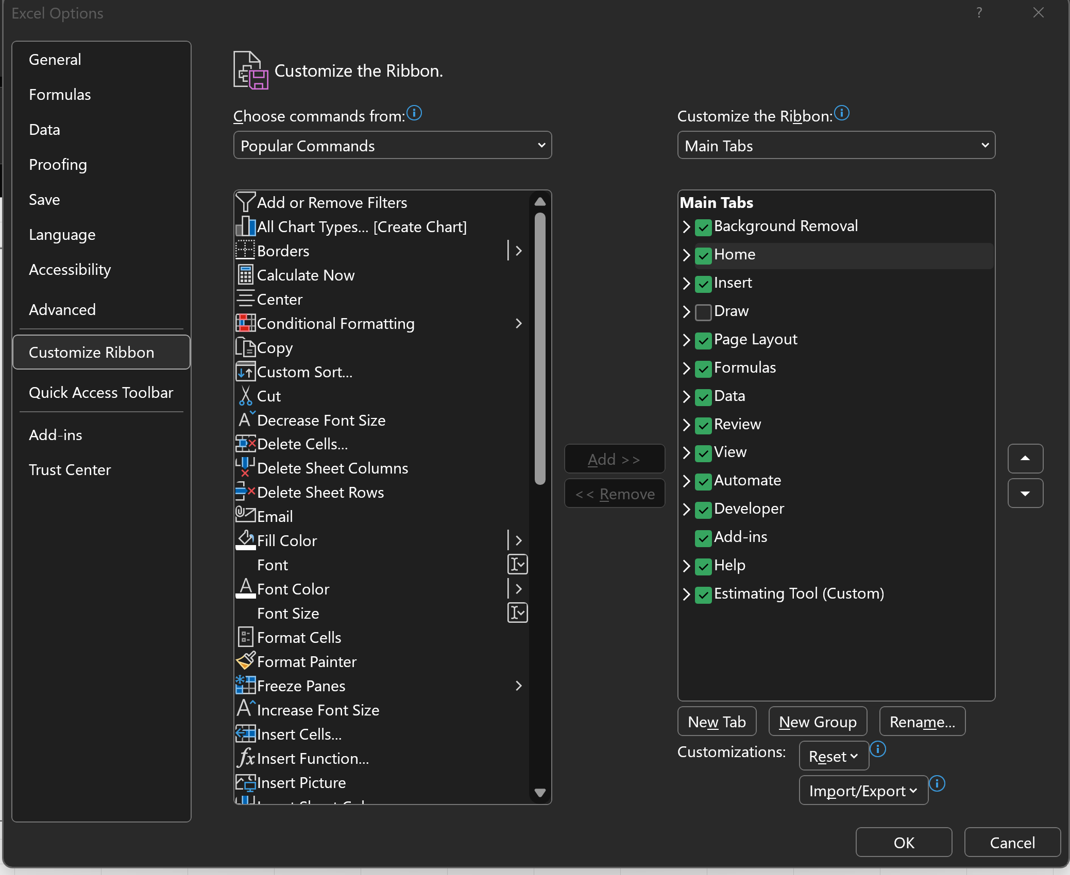
To set up estimating tool toolbar, please use the following steps
Right click on the toolbar and select the “customize the ribbon”
In the pop up menu click Import/Export, and select “import customization file”
Go to “X:\for Sasa\Estimating_tool\Connor Prototypes\Estimating_Tool_Menu_3-14-25.exportedUI” and open the latest file
Another pop up asking “Replace all existing Ribbon and Quick Access Toolbar customizations for this program”. Select yes

